Field Charge-TAG
Refrigerant Lbs per Liquid Line lengths (aka Field or Trim Charge Added) |  |  |  |  |  |  |  |  |  | Project: |  |  | Date: |  | Project reference
 |  |  |  |  |  |  | = of typ floors |  |  | Tag: |  |  | By: |  | Paste tree diagram and floor layout reference
 |  | Per Documentation |  | Variance |  | Per Field Verification
Pipe Diam | lbs/ft* | Ft | lbs | lbs | ft | Lbs | Ft | Roof | Riser | Apt typ | other apts | Misc other Ft
7/8" | 0.249 | 0 | 0.0 | 0.0 | 0.0 | 0.0 | 0 |  |  |  | 0
3/4" | 0.175 | 0 | 0.0 | 0.0 | 0.0 | 0.0 | 0 |  |  |  | 0
5/8" | 0.121 | 0 | 0.0 | 0.0 | 0.0 | 0.0 | 0 |  |  |  | 0
1/2" | 0.081 | 0 | 0.0 | 0.0 | 0.0 | 0.0 | 0 |  |  |  | 0
3/8" | 0.04 |  | 0.0 | 0.0 | 0.0 | 0.0 | 0 |  |  |  | 0
1/4" | 0.015 |  | 0.0 | 0.0 | 0.0 | 0.0 | 0 |  |  |  | 0
 |  | Add: Piping lbs | 0.0 | 0.0 |  | 0.0
 |  | Add: IDU lbs | 1 | 0% | change in charge required per field verified variations
 |  | Add: ACCU Trim lbs | 0
 |  | Total Field Add lbs | 1.0
 |  | Shipped ACCU lbs | 0 |  |  |  |  |  |  |  | ACCU Field Trim charge per VRV ACCU
 |  | Total System lbs | 1.0 |  |  |  |  |  |  |  | Mfr | Model | Lbs to add | Shipped Charge
5% | R410a leakage/Yr is 1 Tons CO2e of climate impact over 20 years |  |  |  |  |  |  |  |  |  | Daikin | RXYQ144A | 3.4
 |  |  |  |  |  |  |  |  |  |  | Daikin | RXYQ168a | 3.9
 |  | ACCU Model | TBD | TBD |  |  |  |  |  |  | Daikin | RXYQ192a | 18.5
 |  | Date of Documentation |  |  |  |  |  |  |  |  | Daikin | RXYQ216a | 18.7
 |  | Phase of Documentation |  |  |  |  |  |  |  |  | Daikin | RXYQ240A | 19 | 25.8
DISCLAIMER: This is an APPROXIMATION. Field Charge must be determined by Manufacturer specific tool. Notes
1. Goal: Compare field conditions vs the As-Built Design Tool Export provided by the contractor. (LG LATS, Mitsubishi Diamond System Builder DSB, HiSense HI-Check, Daikin VRV X-press, etc. ADD OTHERS for fujitsu).
2. ADD info from Documentation: Line lengths in column C, ACCU model and charge in the lower table, and adjust ACCU model dropdown in D19.
3. Measure Actual piping lengths from field visit and add in K6-R11
4. If charge varies by >5% or total charge is over 20lbs, an as-built must be submitted to determine field charge to be weighed in. For most systems if the outdoor unit piping is off by 10 ft this needs to be adjusted.
*Varies slightly by Manufacturer. Daikin VRV values are used here.
 |  |  |  |  |  |  |  |  |  |  | No ACCU Trim Needed | Other |  | 4.4
 |  |  |  |  |  |  |  |  |  |  | TBD | TBD
 |  |  |  |  |  |  |  |  |  |  | LG | ARUN024gss4 |  | 4

 | Daikin Example |  |  |  |  |  |  |  |  |  | Mitsubishi Example: |  |  |  |  | LG Example
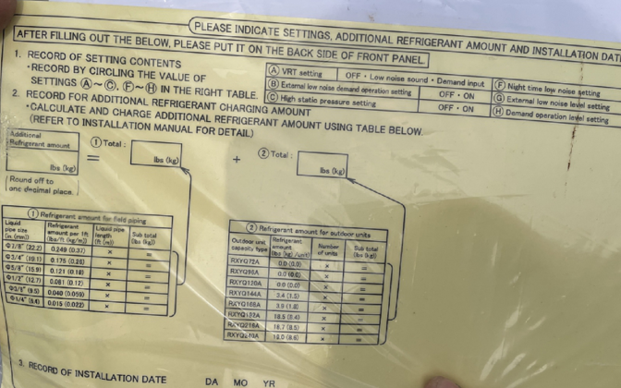
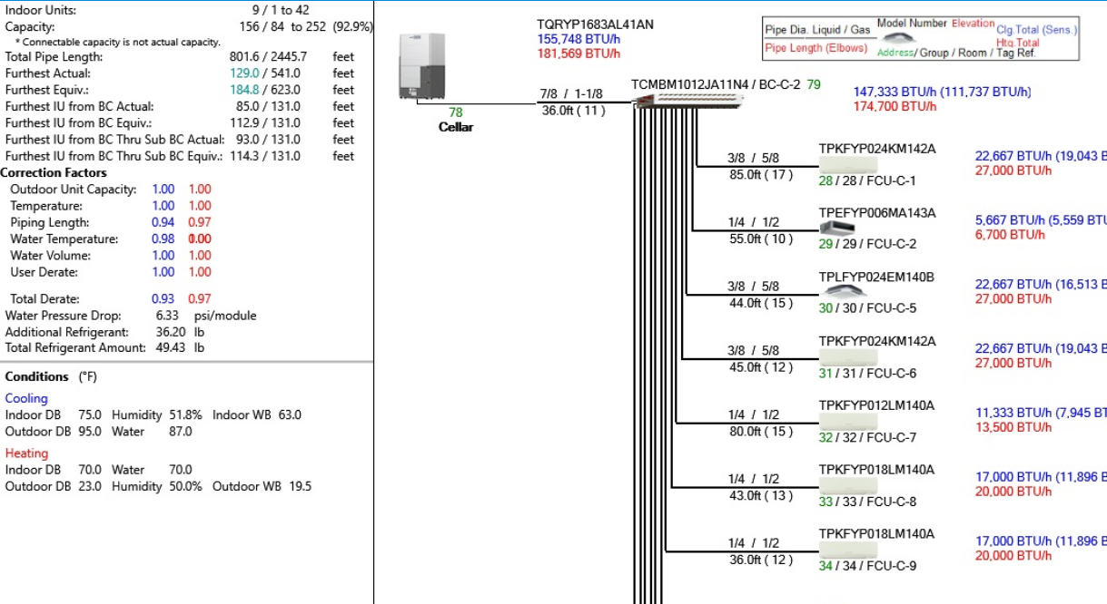
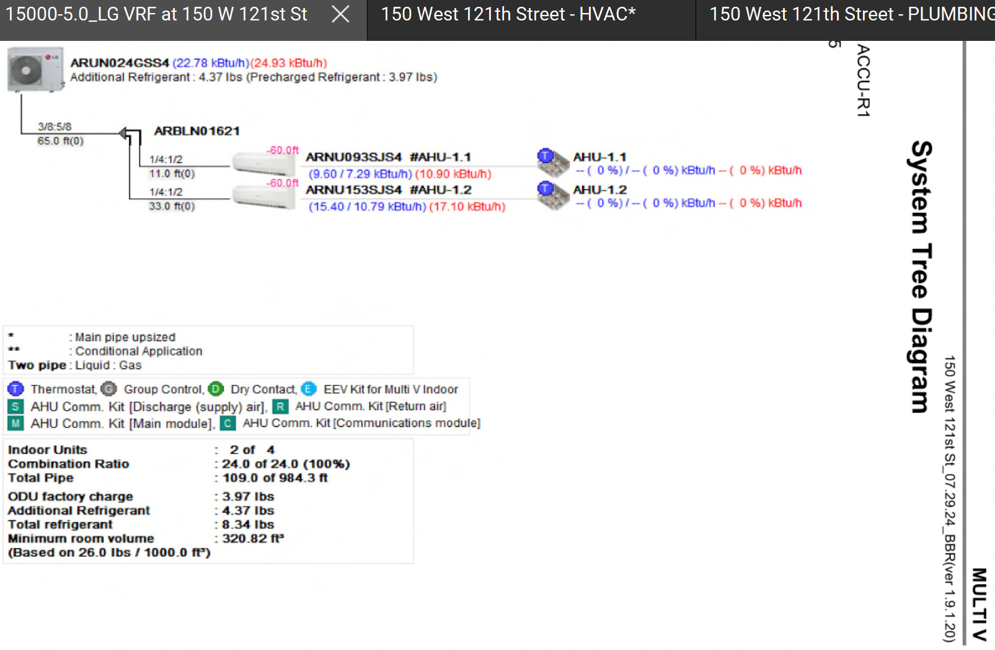

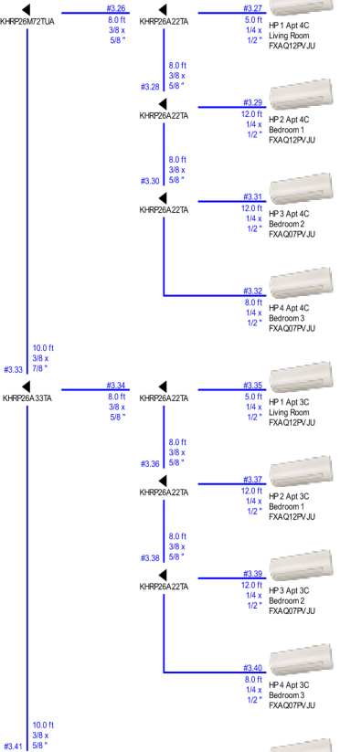

 |  |  |  |  |  |  |  |  |  |  | LG Example:
