Sample HHS Invoice Fields
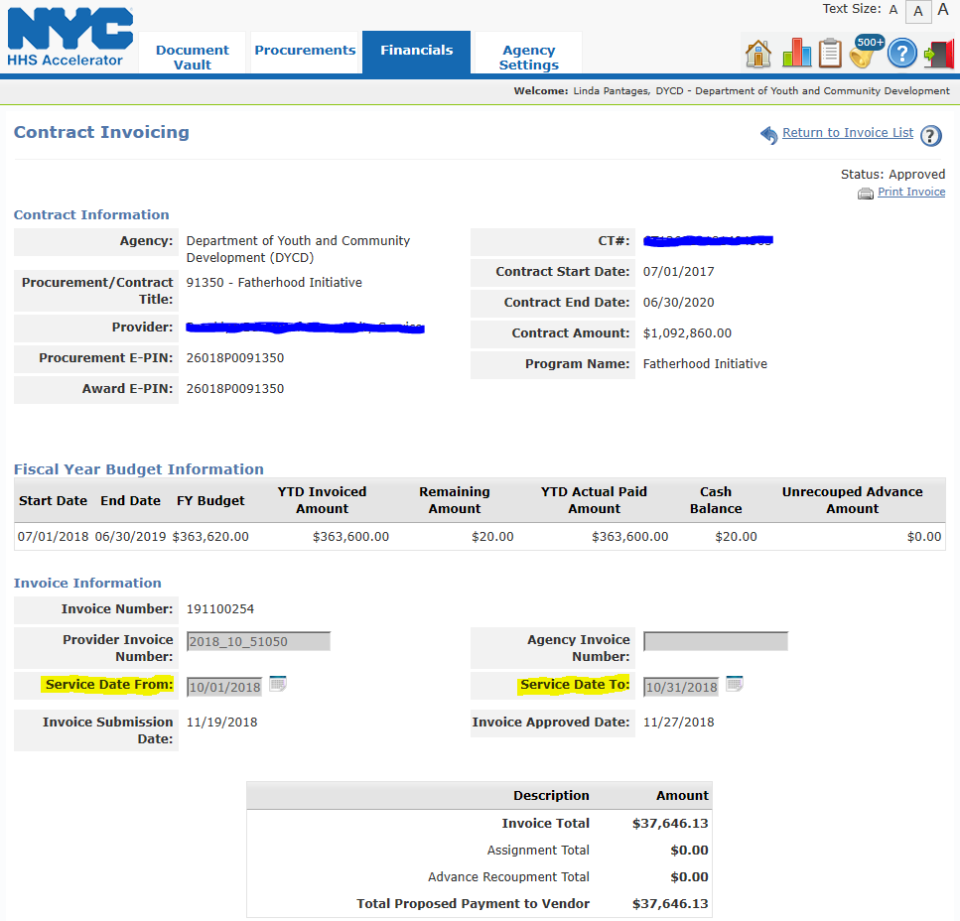

Sample HHS Invoice with CSBG Funding

ID# | Sub Budget Codes | Sub Budget Amount

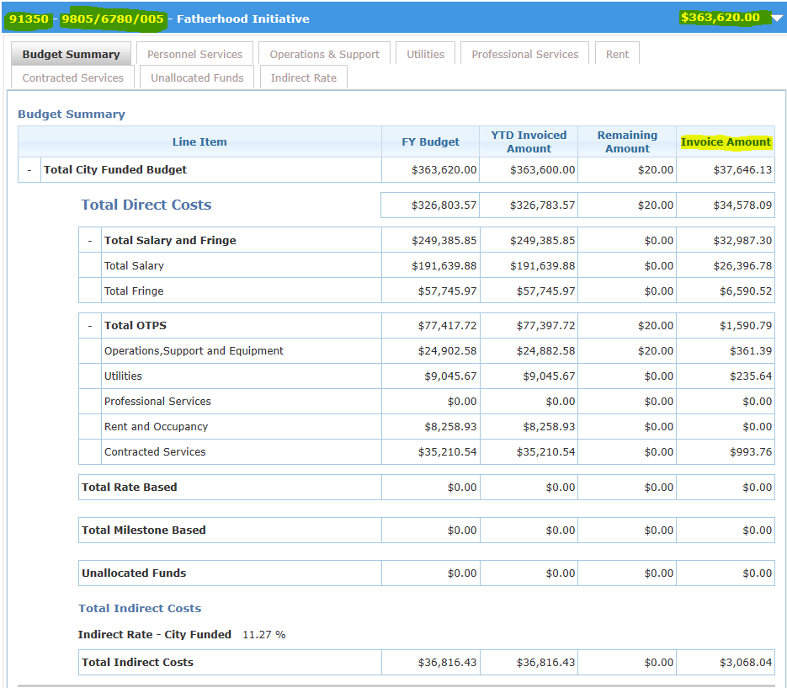

Enter Amounts -in Column 1

